Sheet1
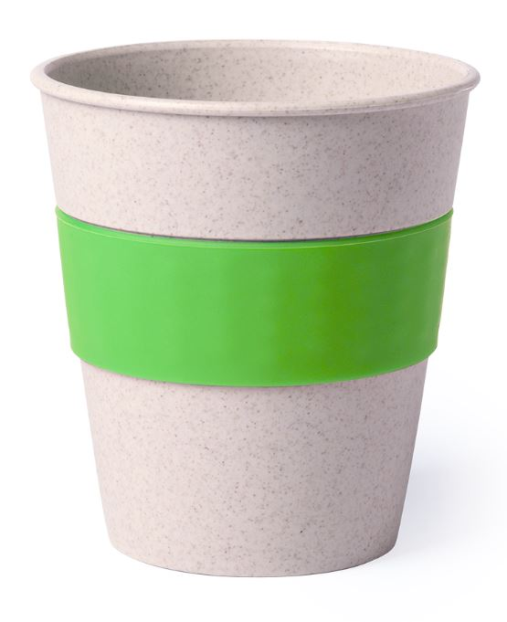
Picture | Item code | Description | Extra information | Restriction | Stock | Sales price EXW | Retail price | Barcode | Quantity PU | Quantity pallet | Pallet | Origin | Customs code | Item weight | Languages on package | Group
 | S-10133 | tumbler FIDEX light green 380ml | 6012279000 | no sales in europe | 17137 | 0.29 | 1.63 |  | 200 | 6000 | Chep pallet 120x100 | CN | 39241000 | 0 |  | tumbler FIDEX light green 380ml

